Strategic Initiatives 2018-2023
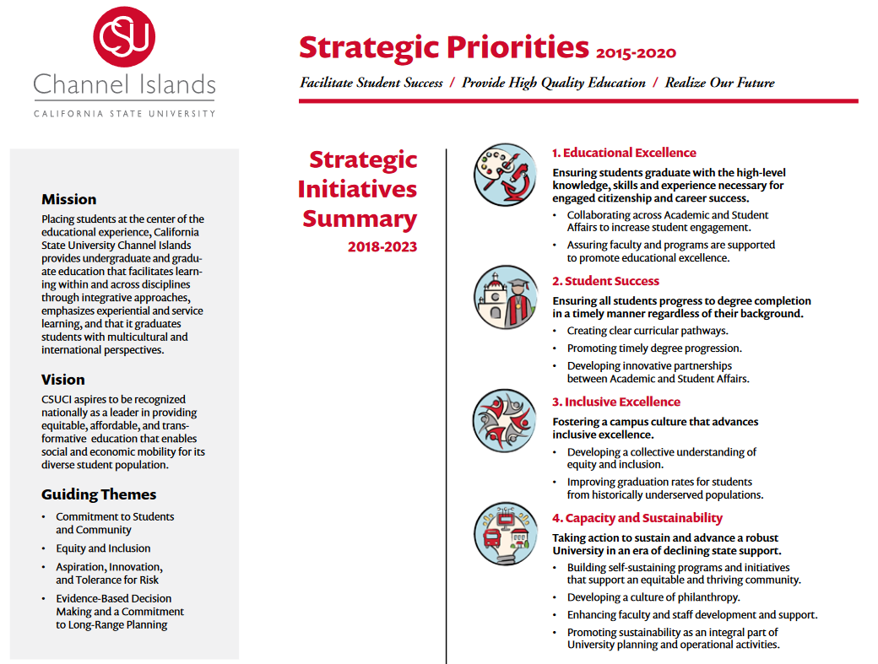

Est Benefit Rates 2019-2020
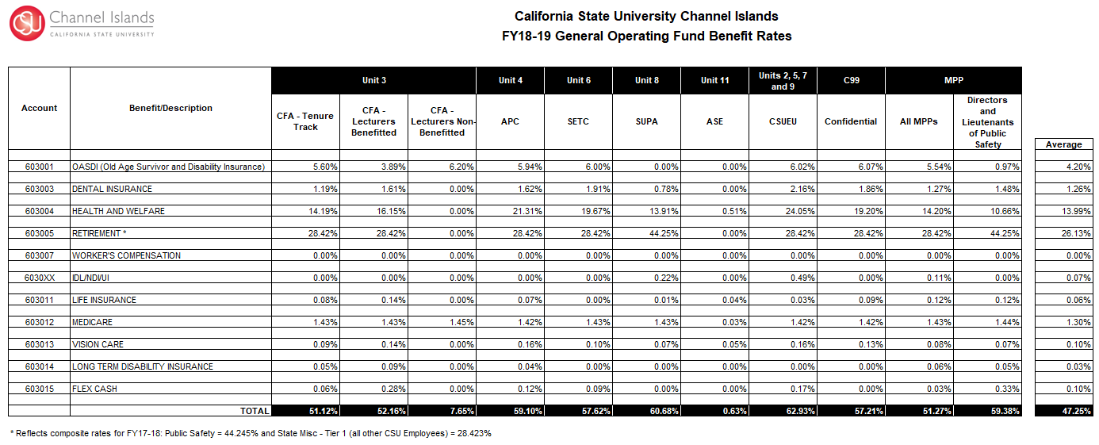

Cost Allocations 2019-2020
To be released by Budget & Planning no later than December 14, 2018.

